Sheet2
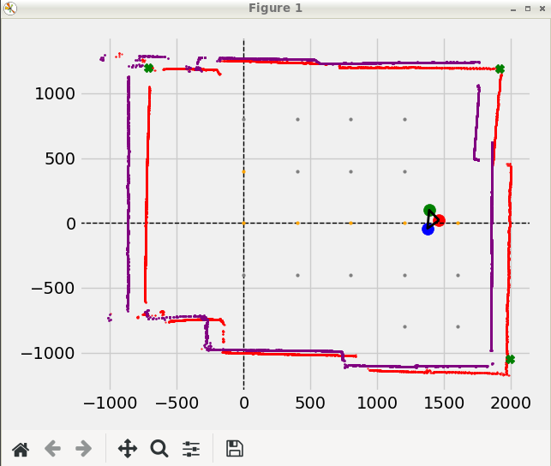

EKF | float test_sigma_r = 0.3;
 | float test_sigma_theta = 0.3;

 | float test_sigma_odo_x = 0.5;
 | float test_sigma_odo_y = 0.5;
 | float test_sigma_odo_theta = 30*PI/180;

Sheet3
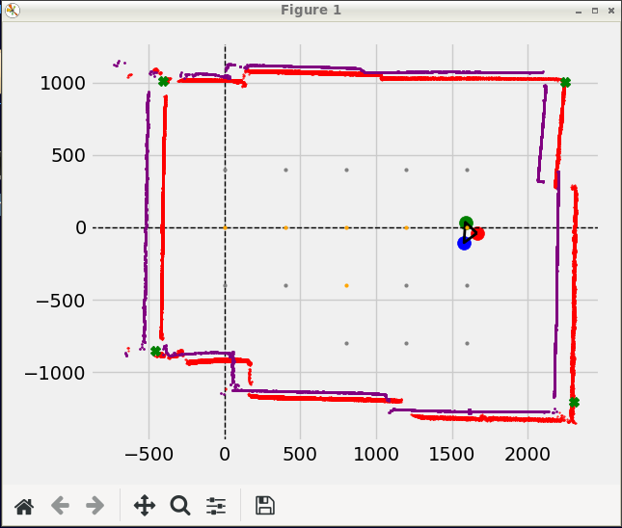
VERY GOOOD PERFECT | Y too big | Y still too big | Rotated too positive | Too left and too up | Too left and too up | Too left and too up
MC GO FORWARD FOR: 200 | NAVI: Run python | MC GO FORWARD FOR: 200 | MC started | MC GO FORWARD FOR: 200 | MC GO FORWARD FOR: 200 | MC GO FORWARD FOR: 200
TIME = 0.8881371021270752 s | MC started | TIME = 0.8591809272766113 s | MC:TURN: 0.0 deg | TIME = 0.9401736259460449 s | TIME = 0.8979246616363525 s | TIME = 0.8483915328979492 s
LEFT SPEED = 0.9570594426966992 rotations/s, ROTATIONS = 0.85 , TICKS = 17 | MC:TURN: 0.0 deg | LEFT SPEED = 1.0475092863767064 rotations/s, ROTATIONS = 0.9 , TICKS = 18 | ThetaL = -0.0 ThetaR = 0.0 | LEFT SPEED = 1.0104516589093502 rotations/s, ROTATIONS = 0.95 , TICKS = 19 | LEFT SPEED = 1.0579952200764224 rotations/s, ROTATIONS = 0.95 , TICKS = 19 | LEFT SPEED = 1.178701061035091 rotations/s, ROTATIONS = 1.0 , TICKS = 20
RIGHT SPEED = 1.1259522855255284 rotations/s, ROTATIONS = 1.0 , TICKS = 20 | ThetaL = -0.0 ThetaR = 0.0 | RIGHT SPEED = 1.1638992070852294 rotations/s, ROTATIONS = 1.0 , TICKS = 20 | MC GO FORWARD FOR: 200 | RIGHT SPEED = 1.063633325167737 rotations/s, ROTATIONS = 1.0 , TICKS = 20 | RIGHT SPEED = 1.113679179027813 rotations/s, ROTATIONS = 1.0 , TICKS = 20 | RIGHT SPEED = 1.060830954931582 rotations/s, ROTATIONS = 0.9 , TICKS = 18
MC measured angle x = 0.0 | 12m <= DISTANCE ! set to 4000mm | MC measured angle x = 0.0 | TIME = 0.8993337154388428 s | MC measured angle x = 0.0 | MC measured angle x = 0.0 | MC measured angle x = 0.0
Get diff for = 0.15000000000000002 | MC GO FORWARD FOR: 200 | Get diff for = 0.09999999999999998 | LEFT SPEED = 1.0563375793561056 rotations/s, ROTATIONS = 0.95 , TICKS = 19 | Get diff for = 0.050000000000000044 | Get diff for = 0.050000000000000044 | Get diff for = 0.09999999999999998
Angle Diff exists | TIME = 0.9017853736877441 s | Angle Diff exists | RIGHT SPEED = 1.1119342940590586 rotations/s, ROTATIONS = 1.0 , TICKS = 20 | MC: Possible angle = 0.0 | MC: Possible angle = 0.0 | Angle Diff exists
MC: Straight angle_diff = 8.210526315789473 | LEFT SPEED = 1.108911309916925 rotations/s, ROTATIONS = 1.0 , TICKS = 20 | MC: Straight angle_diff = 4.105263157894732 | MC measured angle x = 0.0 | Get diff for = 0.050000000000000044 | Get diff for = 0.050000000000000044 | MC: Straight angle_diff = -4.105263157894732
MC: Possible angle = 8.210526315789473 | RIGHT SPEED = 1.0534657444210787 rotations/s, ROTATIONS = 0.95 , TICKS = 19 | MC: Possible angle = 4.105263157894732 | Get diff for = 0.050000000000000044 | MC: Angle turned = 0.0 | MC: Angle turned = 0.0 | MC: Possible angle = -4.105263157894732
Get diff for = 0.15000000000000002 | MC measured angle x = 0.0 | Get diff for = 0.09999999999999998 | MC: Possible angle = 0.0 | MC: distance moved = 193.99334635916972 | MC: distance moved = 193.99334635916972 | Get diff for = 0.09999999999999998
Angle Diff exists | Get diff for = 0.050000000000000044 | Angle Diff exists | Get diff for = 0.050000000000000044 | ret/cpp = 0 | ret/cpp = 0 | Angle Diff exists
MC: Straight angle_diff = 8.210526315789473 | MC: Possible angle = 0.0 | MC: Straight angle_diff = 4.105263157894732 | MC: Angle turned = 0.0 | LEAVNG RUN | LEAVNG RUN | MC: Straight angle_diff = -4.105263157894732
MC: Angle turned = 8.210526315789473 | Get diff for = 0.050000000000000044 | MC: Angle turned = 4.105263157894732 | MC: distance moved = 193.99334635916972 | please enter something: l | please enter something: l | MC: Angle turned = -4.105263157894732
MC: distance moved = 173.57299411083608 | MC: Angle turned = 0.0 | MC: distance moved = 183.7831702350029 | ret/cpp = 0 | Entering scan loop | Entering scan loop | MC: distance moved = 204.20352248333654
ret/cpp = 0 | MC: distance moved = 204.20352248333654 | ret/cpp = 0 | LEAVNG RUN | Entering scan loop | Entering scan loop | ret/cpp = 0
LEAVNG RUN | ret/cpp = 0 | LEAVNG RUN | please enter something: l | MAIN: FetchedScan = 8285 | MAIN: FetchedScan = 8240 | LEAVNG RUN
please enter something: l | LEAVNG RUN | please enter something: ^[[A | Entering scan loop |  |  | please enter something: l
Entering scan loop | please enter something: l | Entering scan loop | Entering scan loop | i = 6 | i = 7 | Entering scan loop
Entering scan loop | Entering scan loop | Entering scan loop | MAIN: FetchedScan = 8289 | ------------------------------------------------------------------------------------------------------------ | ------------------------------------------------------------------------------------------------------------ | Entering scan loop
MAIN: FetchedScan = 8228 | Entering scan loop | MAIN: FetchedScan = 8244 |  |  |  | MAIN: FetchedScan = 8214
 | MAIN: FetchedScan = 8282 |  | i = 5 | EKF UPDATE MOTION FOR 193.993mm and 0 | EKF UPDATE MOTION FOR 193.993mm and 0
i = 2 |  | i = 4 | ------------------------------------------------------------------------------------------------------------ |  |  | i = 8
------------------------------------------------------------------------------------------------------------ | i = 3 | ------------------------------------------------------------------------------------------------------------ |  | MAIN: after_motion State: x=1241.29, y=-4.91631, w=1.54295 deg | MAIN: after_motion State: x=1458.56, y=-12.3237, w=-0.218542 deg | ------------------------------------------------------------------------------------------------------------
 | ------------------------------------------------------------------------------------------------------------ |  | EKF UPDATE MOTION FOR 193.993mm and 0
EKF UPDATE MOTION FOR 173.573mm and 8.21053 |  | EKF UPDATE MOTION FOR 183.783mm and 4.10526 |  | Number of CAR points8285B x size = 8285 | Number of CAR points8240B x size = 8240 | EKF UPDATE MOTION FOR 204.204mm and -4.10526
 | EKF UPDATE MOTION FOR 204.204mm and 0 |  | MAIN: after_motion State: x=1028.32, y=7.23491, w=-2.57937 deg | LM: Corners = (898.388,1087.76),(959.527,-1252.79), | LM: Corners = (655.171,1099.06),(743.668,-1256.17),
MAIN: after_motion State: x=391.097, y=21.831, w=5.9261 deg |  | MAIN: after_motion State: x=812.021, y=34.1536, w=2.45427 deg |  | DATA: NUMBER OF CORNERS POINTS = 2 | DATA: NUMBER OF CORNERS POINTS = 2 | MAIN: after_motion State: x=1670.31, y=-35.4934, w=-5.36308 deg
 | MAIN: after_motion State: x=630.604, y=-3.37536, w=0.65447 deg |  | Number of CAR points8289B x size = 8289 | (898.388,1087.76) | (959.527,-1252.79) | | (655.171,1099.06) | (743.668,-1256.17) |
Number of CAR points8228B x size = 8228 |  | Number of CAR points8244B x size = 8244 | LM: Corners = (1204.43,-1242.41), | EKF: after_ekf State: x=1252.07, y=2.70105, w=-4.63455 deg | EKF: after_ekf State: x=1460.97, y=-8.90616, w=-7.27643 deg | Number of CAR points8214B x size = 8214
LM: Corners = (1825.41,1014.58),(-800.464,1043.56),(1846.36,-1234.9), | Number of CAR points8282B x size = 8282 | LM: Corners = (1329.15,1104.88),(1453.36,-1237.79),(-1250.23,-925.428), | DATA: NUMBER OF CORNERS POINTS = 1 | EKF: after_ekf State: x=1264.56, y=-11.5837, w=-0.218542 deg | EKF: after_ekf State: x=1462.26, y=-10.3207, w=-1.25782 deg | LM: Corners = (394.152,1135.09),(575.547,-1201.79),
DATA: NUMBER OF CORNERS POINTS = 3 | LM: Corners = (1544.54,1105.14),(1677.33,-1254.13), | DATA: NUMBER OF CORNERS POINTS = 3 | (1204.43,-1242.41) | |  |  | DATA: NUMBER OF CORNERS POINTS = 2
(1825.41,1014.58) | (-800.464,1043.56) | (1846.36,-1234.9) | | DATA: NUMBER OF CORNERS POINTS = 2 | (1329.15,1104.88) | (1453.36,-1237.79) | (-1250.23,-925.428) | | EKF: after_ekf State: x=1047.36, y=-10.1398, w=1.54295 deg | MAIN: after_ekf State: x=1264.56, y=-11.5837, w=-0.218542 deg | MAIN: after_ekf State: x=1462.26, y=-10.3207, w=-1.25782 deg | (394.152,1135.09) | (575.547,-1201.79) |
EKF: after_ekf State: x=400.863, y=26.7821, w=-0.816186 deg | (1544.54,1105.14) | (1677.33,-1254.13) | | EKF: after_ekf State: x=817.531, y=37.5571, w=-5.57942 deg |  | (2251.44,1000.26) | (-407.656,1012) | (2307.21,-1202.32) | (-456.615,-852.616) | | (2252.36,997.613) | (-407.979,1012.05) | (2307.47,-1201.18) | (-457.084,-852.931) | | EKF: after_ekf State: x=1667.97, y=-44.5096, w=-10.144 deg
EKF: after_ekf State: x=422.512, y=3.50905, w=1.25794 deg | EKF: after_ekf State: x=637.941, y=0.977175, w=-3.29755 deg | EKF: after_ekf State: x=834.519, y=15.9653, w=-2.57937 deg | MAIN: after_ekf State: x=1047.36, y=-10.1398, w=1.54295 deg | MAIN: Store Map Points | MAIN: Store Map Points | EKF: after_ekf State: x=1665.14, y=-40.4455, w=-3.48454 deg
EKF: after_ekf State: x=426.414, y=-5.70786, w=0.65447 deg | EKF: after_ekf State: x=623.361, y=20.4457, w=-1.65099 deg | EKF: after_ekf State: x=834.519, y=15.9653, w=-2.57937 deg | (2248.52,1009.54) | (-406.475,1011.83) | (2305.56,-1207.19) | (-455.449,-851.831) | | Fit Cartesian for: (1264.56,-11.5837) | -0.218542 | Fit Cartesian for: (1462.26,-10.3207) | -1.25782
 |  |  | MAIN: Store Map Points |  |  | MAIN: after_ekf State: x=1665.14, y=-40.4455, w=-3.48454 deg
MAIN: after_ekf State: x=426.414, y=-5.70786, w=0.65447 deg | MAIN: after_ekf State: x=623.361, y=20.4457, w=-1.65099 deg | MAIN: after_ekf State: x=834.519, y=15.9653, w=-2.57937 deg | Fit Cartesian for: (1047.36,-10.1398) | 1.54295 |  |  | (2249.87,1005.72) | (-406.708,1011.84) | (2305.77,-1206.92) | (-455.162,-851.638) |
(2248.97,1012.61) | (-404.913,1011.88) | (2299.4,-1218.1) | | (2251.62,1006.17) | (-404.909,1011.35) | (2297.29,-1227.44) | | (2250.02,1008.23) | (-405.6,1011.64) | (2301.65,-1216.42) | (-456.087,-852.261) | |  |  |  | MAIN: Store Map Points
MAIN: Store Map Points |  | MAIN: Store Map Points |  |  |  | Fit Cartesian for: (1665.14,-40.4455) | -3.48454
Fit Cartesian for: (426.414,-5.70786) | 0.65447 |  | Fit Cartesian for: (834.519,15.9653) | -2.57937

VERY ACCURATE SCAN @ 99.1857 %

No of New Points = 0

CSV: Saving Full Map (overwriting old)
GRID: In grid data process
Map Bounds = xmin: 2323.25, xmax-467.364, ymin1096.63, ymax-1352.82
Points Pushed = 1
Traversed = (400,0) 1
GRID:SAVED TO CSV
In pre-map movement
NAVI: Find Point Straight
NAVI: nextPoint: We on Y-axis and point on y exists
ClosestPoint = (800,-800)
In PathFinder
Start = 400, 0
Goal = 800, -800
GridMap size = 10Path: (400, 0) (800, 0) (800, -400) (800, -800)
Dumped Traversed = (800,-400) 1
Shortened Path: (800,0)(800,-800)
mapped = 0Go to -> (800,0)
ClosestPoint = (800,0)
NAVI,GRID rotate angle = 0.220859
NAVI,GRID then distance = 373.355
NAVI,GRID to visit: (800,0)
NAVI: Set angle = 0.220859 deg Set Distance = 373.355mm
NAVI: Run python
MC started
MC:TURN: 0.0 deg
ThetaL = -0.0 ThetaR = 0.0
12m <= DISTANCE ! set to 4000mm
MC GO FORWARD FOR: 200
TIME = 0.9017853736877441 s
LEFT SPEED = 1.108911309916925 rotations/s, ROTATIONS = 1.0 , TICKS = 20
RIGHT SPEED = 1.0534657444210787 rotations/s, ROTATIONS = 0.95 , TICKS = 19
MC measured angle x = 0.0
Get diff for = 0.050000000000000044
MC: Possible angle = 0.0
Get diff for = 0.050000000000000044
MC: Angle turned = 0.0
MC: distance moved = 204.20352248333654
ret/cpp = 0
LEAVNG RUN

